Sheet2
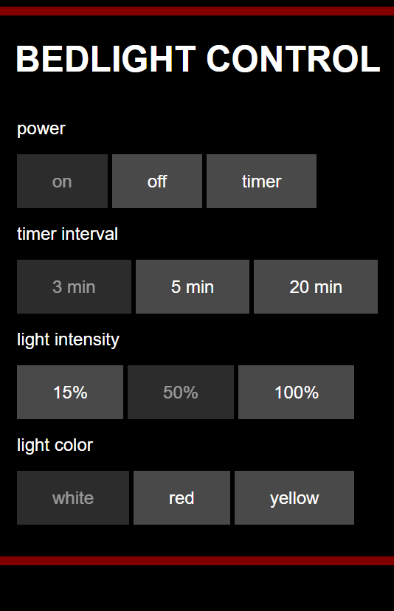
HTMLheader(client);

HTMLbeginCategory(client, "power");
HTMLbutton(client, "on", "power/on", (power==poOn ) ); | /power/on
HTMLbutton(client, "off", "power/off", (power==poOff ) ); | /power/off
HTMLbutton(client, "timer", "power/timer", (power==poTimer) ); | /power/timer
HTMLendCategory(client);

HTMLbeginCategory(client, "timer interval");
HTMLbutton(client, "3 min", "interval/03min", (timerInterval== 3*60) ); | /interval/03min
HTMLbutton(client, "10 min", "interval/10min", (timerInterval==10*60) ); | /interval/10min
HTMLbutton(client, "20 min", "interval/20min", (timerInterval==20*60) ); | /interval/20min
HTMLendCategory(client);

HTMLbeginCategory(client, "light intensity");
HTMLbutton(client, "15%", "intensity/015prc", (lightIntensity== 15) ); | /intensity/015prc
HTMLbutton(client, "50%", "intensity/050prc", (lightIntensity== 50) ); | /intensity/050prc
HTMLbutton(client, "100%", "intensity/100prc", (lightIntensity==100) ); | /intensity/100prc
HTMLendCategory(client);

HTMLbeginCategory(client, "light color");
HTMLbutton(client, "white", "color/white", (lightColor== lcWhite ) ); | /color/white
HTMLbutton(client, "yellow", "color/yellow", (lightColor== lcYellow) ); | /color/yellow
HTMLbutton(client, "red", "color/red", (lightColor== lcRed ) ); | /color/red
HTMLendCategory(client);

HTMLfooter(client);

